DASHBOARD







MATCH RESULT

INDIA WON BY
7 RUNS



TOTAL RUNS
TOTAL WICKETS
NO OF SIXS
EXTRA RUNS
NO OF FOURS
RUN RATE


499
34
14
39
25
10

IND:253/7 | ENG: 246/7
IND: 7 | ENG: 7
IND: 19 | ENG: 15
IND: 18 | ENG: 21
IND: 12 | ENG:13

FILTER
 | England | India
1 | 13 | 12
2 | 15 | 20
3 | 25 | 34
4 | 38 | 45
5 | 45 | 55
6 | 68 | 67
7 | 83 | 73
8 | 99 | 92
9 | 113 | 112
10 | 119 | 119
11 | 131 | 130
12 | 145 | 145
13 | 160 | 160
14 | 172 | 167
15 | 185 | 177
16 | 193 | 190
17 | 209 | 205
18 | 215 | 217
19 | 224 | 237
20 | 246 | 253
SCORE PROGRESSION (RUNS)
 | England | India
1 | 13 | 12
2 | 2 | 8
3 | 10 | 14
4 | 13 | 11
5 | 7 | 10
6 | 23 | 12
7 | 15 | 6
8 | 16 | 19
9 | 14 | 20
10 | 6 | 7
11 | 12 | 11
12 | 14 | 15
13 | 15 | 15
14 | 12 | 7
15 | 13 | 10
16 | 8 | 13
17 | 16 | 15
18 | 6 | 12
19 | 9 | 20
20 | 22 | 16
RUNS PER OVER (MANHATTAN CHART)
 | Series1
Double | 14
Four | 39
Single | 86
Six | 34
extra | 21
RUNS DISTRUBIUTION

 | England | India
WG Jacks | 35
Ishan Kishan |  | 39
S Dube |  | 43
SV Samson |  | 89
JG Bethell | 105
TOP RUN SCORERS
 | Total
HH Pandya | 2
AU Rashid | 2
WG Jacks | 3
TOP WICKET TAKER
 | Series1
bowled | 3
caught | 7
run out | 3
stumped | 1
WICKET DISTRUBIUTION

PLAYER OF THE MATCH

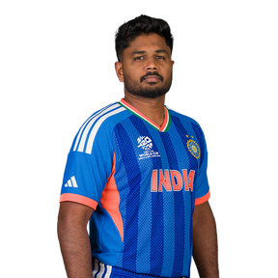

- INDIA WON BY 7 RUNS
- SV SAMSON PLAYED A MATCH WINNING KNOCK 89 (46)
- HH PANDYA BOWLED A BRILLANT SPELL 4.0, 39-2
- INDIA ENTERED IN THE FINALS

MATCH SUMMARY
PARTNERSHIP ANALYSIS

89 (42)
8 FOURS|
7 SIXS
STRIKE RATE:
211.90

VS

SV SAMSON (IND)
ENGLAND
INDIA

